Storage Options
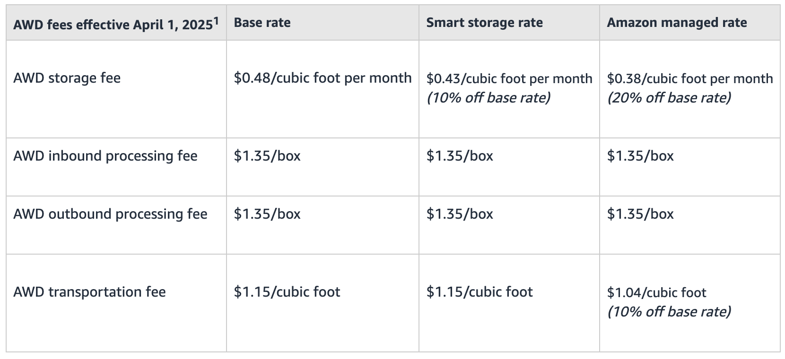
Dimensions:
To calculate the cubic feet of space the box takes up, follow these steps:
Convert the dimensions from inches to feet:
Width: 18.518.518.5 inches ÷ 121212 = 1.54 feet
Length: 11.7511.7511.75 inches ÷ 121212 = 0.98 feet
Height: 666 inches ÷ 121212 = 0.50 feet
Multiply the dimensions to find the volume: 1.54×0.98×0.50=0.7547 cubic feet1.54 \times 0.98 \times 0.50 = 0.7547 \text{ cubic feet}1.54×0.98×0.50=0.7547 cubic feet
So, the box takes up approximately 0.75 cubic feet of space.
Pallets:
5 layers → 33.75 cubic feet
6 layers → 40.5 cubic feet
*Pallet has 324 units
Assuming 6 layers

Base Rate |  |  |  |  | Nevada
Storage Fee per pallet per month |  |  | $19.44 |  | Storage Fee per pallet per month | $26.75
Transportation Fee per pallet per month |  |  | $46.57 |  | UPS Fee - flat rate | $9.05
Inbound Fee for 1 pallet, 324 boxes? |  |  | $437.40 |  | Amazon Fee for 15 boxes, 5 locations | $182.10
Outbound Fee for 1 pallet, 324 boxes? |  |  | $437.40 |  | Nevada Process Fee for 15 boxes | $39.00

 |  |  |  | On the $39.00 Pick and Process Order price, the cost is $1.50 for the order and $2.50 per item picked

Per unit | Amazon | Nevada |  |  |  | 38.6
1 | $0.06 | $0.50
2 | $0.14 | $9.05
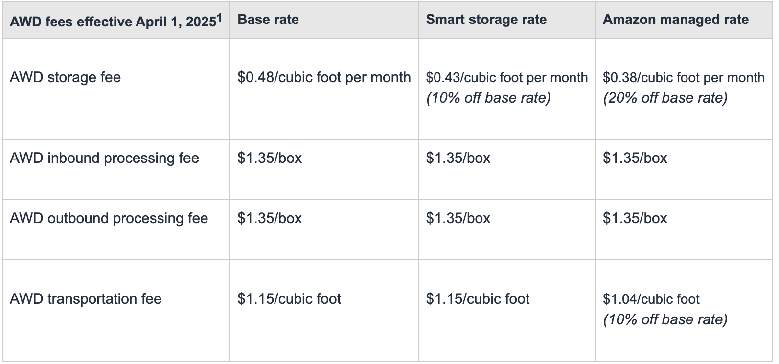
3 | $8.10 | $2.43 | * ???
4 | $8.10 | $2.60 | *

 | Taking out the UPS Fee, they are about equal. |  |  |  |  |  |  |  | I believe you quality for Smart Storage rate
 | (If my assumptions are correct) |  |  |  |  |  |  |  | AWD auto-replenishment to move inventory of that SKU from AWD to FBA

 | Everything should be per "box" |  |  |  |  |  |  |  |  | Units | Pallets | Cubic Feet | Boxes
 |  |  |  |  |  |  | Quantity sending from China to Amazon |  |  | 324 | 1.0 | 40.5 | 54
 |  |  |  |  |  |  | Quantity Amazon auto-replenishes |  |  | 50 | 0.2 | 6.3 | 9

 |  |  |  |  |  |  |  | AWD
 |  |  |  |  |  |  |  |  | Storage Fee | $17.42
Box: box of 6 |  |  |  |  |  |  |  |  | Inbound Fee | $72.90
Pallet: 54 boxes |  |  |  |  |  |  |  |  | Outbound Fee | $12.15
 |  |  |  |  |  |  |  |  | Transportation Fee | $7.19

 |  |  |  |  |  |  |  |  | Total (one shipment in, one shipment out) = |  |  | $109.65

 |  |  |  |  |  |  |  | Nevada |  |  |  |  |  | $28.00
 |  |  |  |  |  |  |  |  | Storage Fee | $26.75
 |  |  |  |  |  |  |  |  | UPS Fee | $9.05
 |  |  |  |  |  |  |  |  | Amazon Fee | $21.85 | *
 |  |  |  |  |  |  |  |  | Nevada Fee | $24.00

 |  |  |  |  |  |  |  |  | Total (one shipment in, one shipment out) = |  |  | $81.65

